Sheet1
 |  |  |  |  |  |  |  |  | Start |  | End |  | mins
Task ID | Component | Impacted to | Why we need this improvement? | Task Objectives | Implementation Steps |  | Status | Task Owner | Date | Time | Date | Time | Duration
1 | WAF | terabite.sg *.terabite.sg styl.solutions *.styl.solutions ofs.victusasia.com nlcs.victusasia.com | Enhance Security | Change actions from Count to Block for the rules: BLOCK - AWS-AWSManagedRulesAmazonIpReputationList BLOCK - AWS-AWSManagedRulesSQLiRuleSet BLOCK - Rate-Limit-BaseIP => 1000req per 5 mins CAPTCHA - AWS-AWSManagedRulesAnonymousIpList | * Access PROD WAF WebACLs at: https://us-east-1.console.aws.amazon.com/wafv2/homev2/web-acl/pacific-ii-prod/1febf850-ea84-4ca2-a13f-6aa1afa9692a/overview?region=global - Go to Rules => AWS-AWSManagedRulesAmazonIpReputationList => Edit => Under Override all rule actions choose: Override to Block - Go to Rules => AWS-AWSManagedRulesSQLiRuleSet => Edit => Under Override all rule actions choose: Override to Block - Go to Rules => AWS-AWSManagedRulesAnonymousIpList => Edit => Under Override all rule actions choose: Override to Captcha - Go to Rules => Rate-Limit-BaseIP => Edit => Change Action from Count to Block (make sure the request number is 1000 and time range is 5 mins
2 | WAF | terabite.sg *.terabite.sg styl.solutions *.styl.solutions ofs.victusasia.com nlcs.victusasia.com | Enhance Security | Enable custom response page for WAF Rate-limit rule | - Access PROD WAF WebACLs at: https://us-east-1.console.aws.amazon.com/wafv2/homev2/web-acl/pacific-ii-prod/1febf850-ea84-4ca2-a13f-6aa1afa9692a/overview?region=global - Go to Rules => Rate-Limit-BaseIP => Edit => Action: Block => Custom Response: Enable - Response Code 429 - Response HTML <!DOCTYPE html><html lang="en"><head><meta charset="UTF-8"><meta name="viewport" content="width=device-width, initial-scale=1.0"><title>Too Many Requests</title><style>body{font-family:sans-serif;text-align:center;padding:50px;background-color:#f0f0f0;color:#333}.container{background-color:#fff;border-radius:8px;box-shadow:0 2px 4px rgba(0,0,0,0.1);padding:30px;max-width:600px;margin:0 auto}h1{color:#d9534f}p{line-height:1.6}</style></head><body><div class="container"><h1>429 Too Many Requests</h1><p>You have sent too many requests in a given amount of time. Please slow down your request rate.</p><p>You can try again after a few moments.</p><p>If you believe this is an error, please contact site administrator.</p></div></body></html>
3 | Cloudfront | terabite.sg *.terabite.sg styl.solutions *.styl.solutions ofs.victusasia.com nlcs.victusasia.com | Enhance Error handling and UX | Enable custom response page for 403 | - Go to a CloudFront Distribution => Origins => Create Origin: Choose S3 bucket with proper permissons: https://ap-southeast-1.console.aws.amazon.com/s3/buckets/pacific-ii-prod-maintanance-page?region=ap-southeast-1# - Go to Error pages => Create custom error responses => Choose 403 => Customize error response => Fill in response path: /4xx-errors/403.html - Go to Behaviors => Create behaviors => Choose path: /4xx-errors/* and origin points to S3 - Invalidate the distribution (optional) - Repeat the same for all distributions | 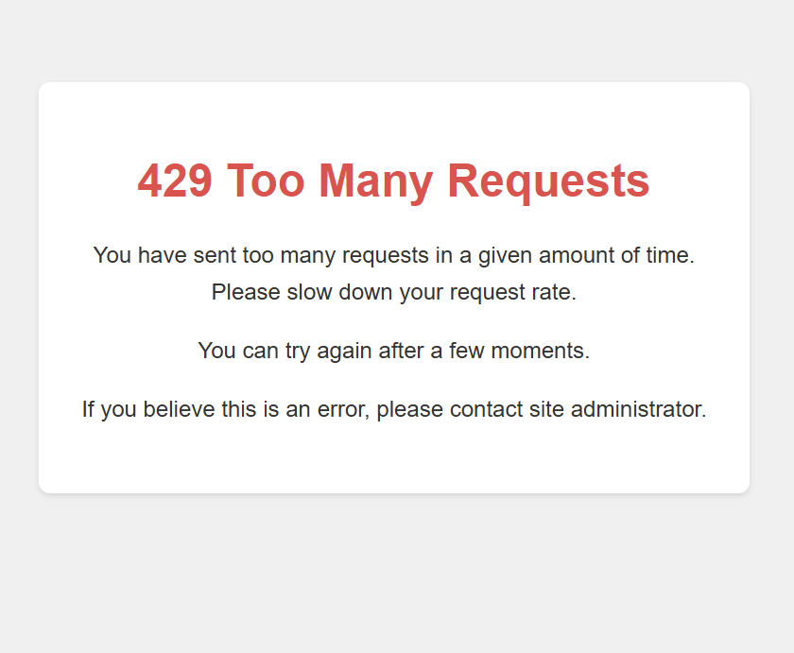 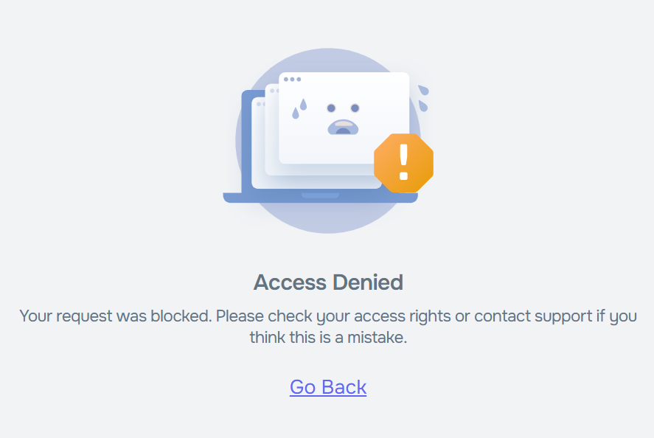
4 | Cloudfront | terabite.sg *.terabite.sg styl.solutions *.styl.solutions ofs.victusasia.com nlcs.victusasia.com | Enhance Error handling and UX | Enable custom response page for 404 | - Go to a CloudFront Distribution => Origins => Create Origin: Choose S3 bucket with proper permissons: https://ap-southeast-1.console.aws.amazon.com/s3/buckets/pacific-ii-prod-maintanance-page?region=ap-southeast-1# - Go to Error pages => Create custom error responses => Choose 404 => Customize error response => Fill in response path: /4xx-errors/404.html - Go to Behaviors => Create behaviors => Choose path: /4xx-errors/* and origin points to S3 - Invalidate the distribution (optional) - Repeat the same for all distributions | 
5 | Cloudfront | terabite.sg *.terabite.sg styl.solutions *.styl.solutions ofs.victusasia.com nlcs.victusasia.com | Enhance Error handling and UX | Customized maintenance page | 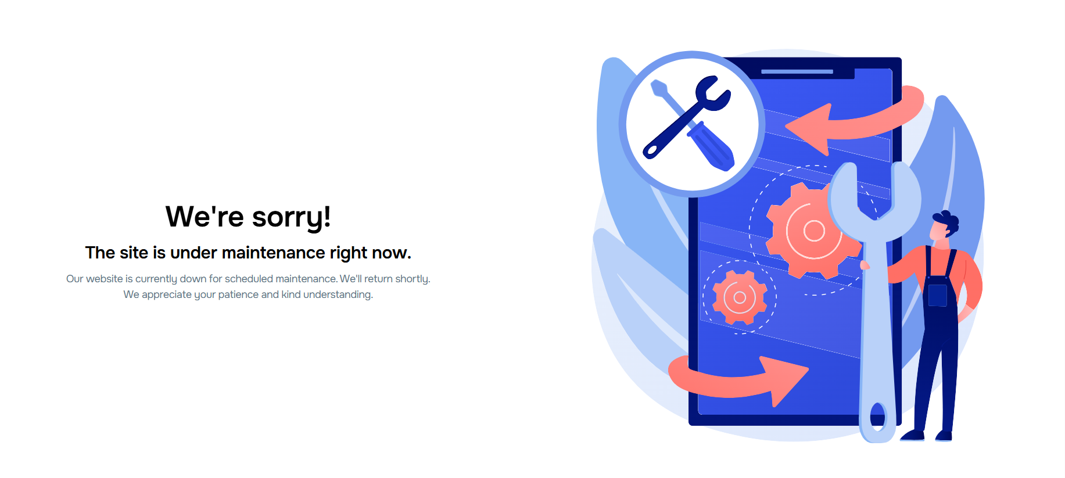 - Go to a CloudFront Distribution => Origins => Create Origin: Choose S3 bucket with proper permissons: https://ap-southeast-1.console.aws.amazon.com/s3/buckets/pacific-ii-prod-maintanance-page?region=ap-southeast-1# - Go to a CloudFront Distribution => Settings => Edit => Choose Default root object: maintenance.html

